Helpdesk Request
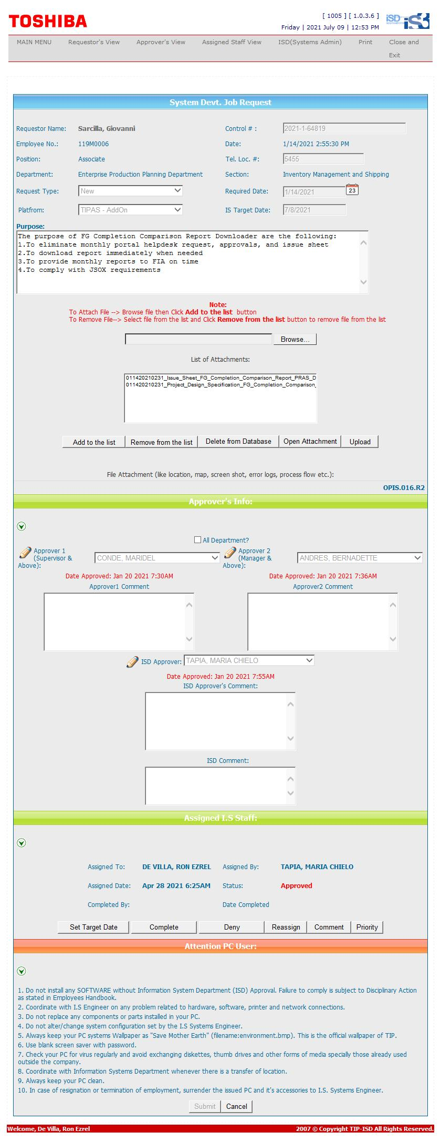
Helpdesk Request

